Blad1
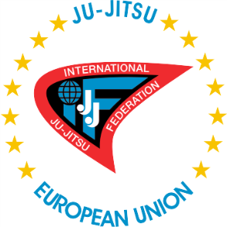 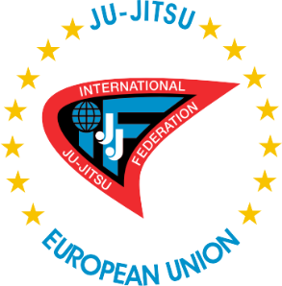 | Entry by number European Championship Ju-Jitsu 2017
Venue: Borik Sports Hall, Republic of Srpska, Bosnia and Herzegovina
Dates: 3th and 4th of June 2017
Registration deadline: 8th of May 2017
Organiser: Ju Jitsu Federation of Republic of Srpska tel + 38765658104 jjsrs@live.com Tina Ujevica 9, 78000 Banja Luka, Republic of Srpska, Bosnia and Herzegovina

Nation:
Contact person:
Address:
Telephone number:
E-mail address:

Fighting system |  | Number of participants

Men | -56
 | -62
 | -69
 | -77
 | -85
 | -94
 | +94

 | Total: | 0

Women | -49
 | -55
 | -62
 | -70
 | +70

 | Total: | 0

Duo system |  | Number of participants

Classic | Men
 | Women
 | Mix

 | Total: | 0

Show | Men
 | Women
 | Mix

 | Total: | 0

Ne waza |  | Number of participants

Men | -62
 | -69
 | -77
 | -85
 | -94
 | +94

 | Total: | 0

Women | -55
 | -62
 | -70
 | +70

 | Total: | 0

 | Total athletes: | 0

